Coat Equations
Test
General Measurement | Value (in) | Half Measure Table | Value
Length of Coat | 45
Width of Back | 23
Breast | 38.5 | Half Breast | 16.5
Waist | 33
Seat | 37 |  |  | Test
Sleeve Length | 0
Height | 76
Weight | 43

 | Edit measurements on Main Page

 | Systematical Outline for Sack Coat

 | Human Readable |  |  |  | Reference Creation |  |  |  |  |  | Maths / Notes
 | (Create Main Vertical) |  |  |  | Line | Origin X | Origin Y | End X | End Y
 | From origin point A, square down just more than 33in. Mark these points along the line, measured from A: |  |  |  | A-E | 0.00 | 0.00 | 0.00 | 33.00
 |  |  |  |  | A-Q | 0.00 | 0.00 | 17.25 | 0.00
 | Point Z at 3 & 6/16 in |  |  |  | B-I | 0.00 | 8.50 | 18.75 | 8.50
 | Point V at 5.5in |  |  |  | C-O | 0.00 | 19.50 | 18.75 | 19.50
 | Point B at 8.5in |  |  |  | D-U | 0.00 | 26.33 | 11.75 | 26.33
 | Point C at 19.5in |  |  |  | G'-U | 11.75 | 0.00 | 11.75 | 26.33
 | Point D at 26.375in |  |  |  | H'-E' | 7.00 | 0.00 | 7.00 | 33.00
 | Point E at 33in
 | From origin point A, square across just more than 17.25in. Mark these points along the line, measured from A:

Previsualization Type A
 | Point T at 2.75in
 | Point H1 at 7in
 | Point G1 at 11.75in
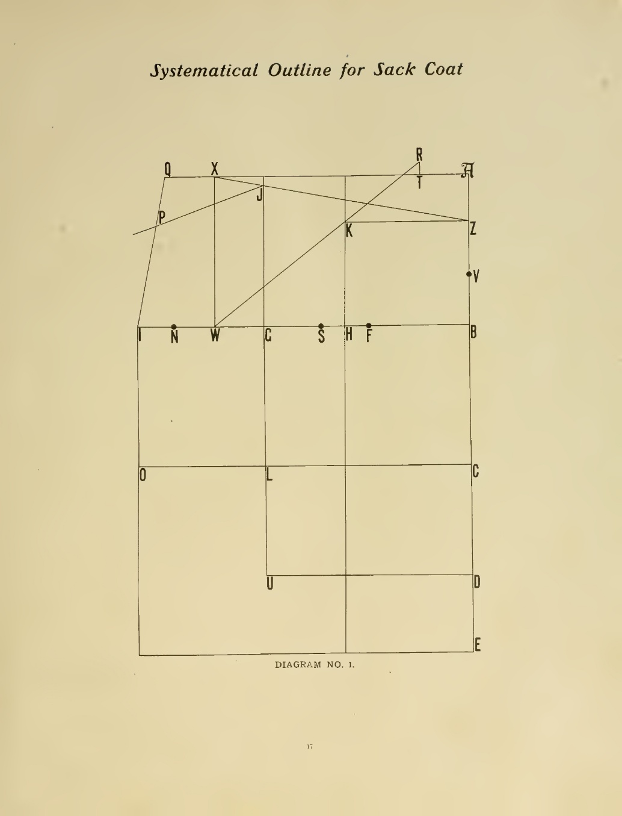
 | Point X at 14.5in
 | Point Q at 17.25in
 | Square down these points to the indicated length: |  |  |  |  |  | 45

 | Square up from Point T 0.75in, and mark point R at this point |  |  |  | Reference Points
 | Square down from Point H1 just more than 33in |  |  |  | Points | x | y | Name | x | y
 | Square down from Point G1 just more than 26.375in |  |  |  | A | 0.00 | 0.00 | A | 0.00 | 0.00
 |  |  |  |  | V | 0.00 | 5.50 | V | 0.00 | -5.50
 | From point B, square across just more than 18.75in. Mark these points along the line, measured from B: |  |  |  | B | 0.00 | 8.50 | B | 0.00 | -8.50
 |  |  |  |  | C | 0.00 | 19.50 | C | 0.00 | -19.50
 | At the intersection of lines (7in away from line A), mark the letter H |  |  |  | D | 0.00 | 26.33 | D | 0.00 | -26.33
 | At the intersection of lines (11.75in away from line A), mark the letter G |  |  |  | E | 0.00 | 33.00 | E | 0.00 | -33.00
 | At 14.5in away from line A, mark the letter W |  |  |  | F | 5.50 | 8.50 | F | -5.50 | -8.50
 | At 16.5in away from line A, mark the letter N. This is the breast measurement. |  |  |  | H | 7.00 | 8.50 | H | -7.00 | -8.50
 | At 18.75in away from line A, mark the letter I |  |  |  | S | 8.25 | 8.50 | S | -8.25 | -8.50
 |  |  |  |  | G | 11.75 | 8.50 | G | -11.75 | -8.50
 | From point C, square across just more than 18.75in. Mark these points along the line, measured from C: |  |  |  | L | 11.75 | 19.50 | L | -11.75 | -19.50
 |  |  |  |  | U | 11.75 | 26.33 | U | -11.75 | -26.33
 | At the intersection of lines (11.75in away from line A), mark the letter L |  |  |  | W | 14.50 | 8.50 | W | -14.50 | -8.50
 | At 18.75in away from line A, mark the letter O |  |  |  | N | 16.50 | 8.50 | N | -16.50 | -8.50
 |  |  |  |  | I | 18.75 | 8.50 | I | -18.75 | -8.50
 | From point D, square across just more than 11.75in. Mark point U at the intersection (11.75in away from line A). |  |  |  | O | 18.75 | 19.50 | O | -18.75 | -19.50
 |  |  |  |  | X | 14.50 | 0.00 | X | -14.50 | 0.00
 |  |  |  |  | Q | 17.25 | 0.00 | Q | -17.25 | 0.00
 | From point E, square down through O for a total length of around 27in down from I (inexact) |  |  |  | T | 2.75 | 0.00 | T | -2.75 | 0.00
 |  |  |  |  | R | 2.75 | -0.75 | R | -2.75 | 0.75
 |  |  |  |  | K | 7.00 | 3.35 | K | -7.00 | -3.35
 | Connect points W and R, and mark point K where this line crosses the square down from H1 |  |  |  | Z | 0.00 | 3.35 | Z | 0.00 | -3.35
 | Connect points X and Z, and mark point J where this line crosses the square down from G1 |  |  |  | J | 11.75 | 0.77 | J | -11.75 | -0.77
 | Connect points Q and I, and mark point P at 2.75in from Q along this line. |  |  |  | P | 17.73 | 2.62 | P | -17.73 | -2.62
 | Connect points P and J

